Timeline
Tin Towns
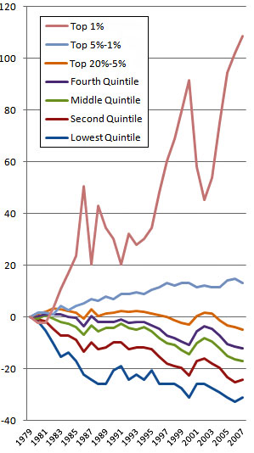

We find shiny stuff in the ground - it looks good for jewelry - go long
Did we mention the Bronze Age?
Whoops, one of the little tin-tin nuggets falls into the fire - that's all we need
We forgot how to write and lots of stuff - Dark Ages
 |  |  |  |  |  | C:\Tintownstop\tintrying.html

What happened to end the Bronze Age? It was so much fun

 |  |  |  |  |  |  |  |  |  |  |  | 4:04:04

10,000 BC | 6,000 BC | 3,000 BC | 1800 BC | 1200 BC | 800 BC | 400 BC | 1492 AD | 1970 AD | 2000 | 2010 | 2020
We plant some crops and
build some
houses
Our Gilgamesh speaks of Timber Depletion
Our Oil production Peaks in the US
Our Japan: Earthquake, Tsunami, Nuclear Crisis
New source of tin is found in Britian - all is forgiven!
Every time we run out of something we go get more in a foreign country
These were good says for bronze - lots of tin, lots of wars
Our Deepwater Horizon Oil Gusher in GOM

